Sheet1
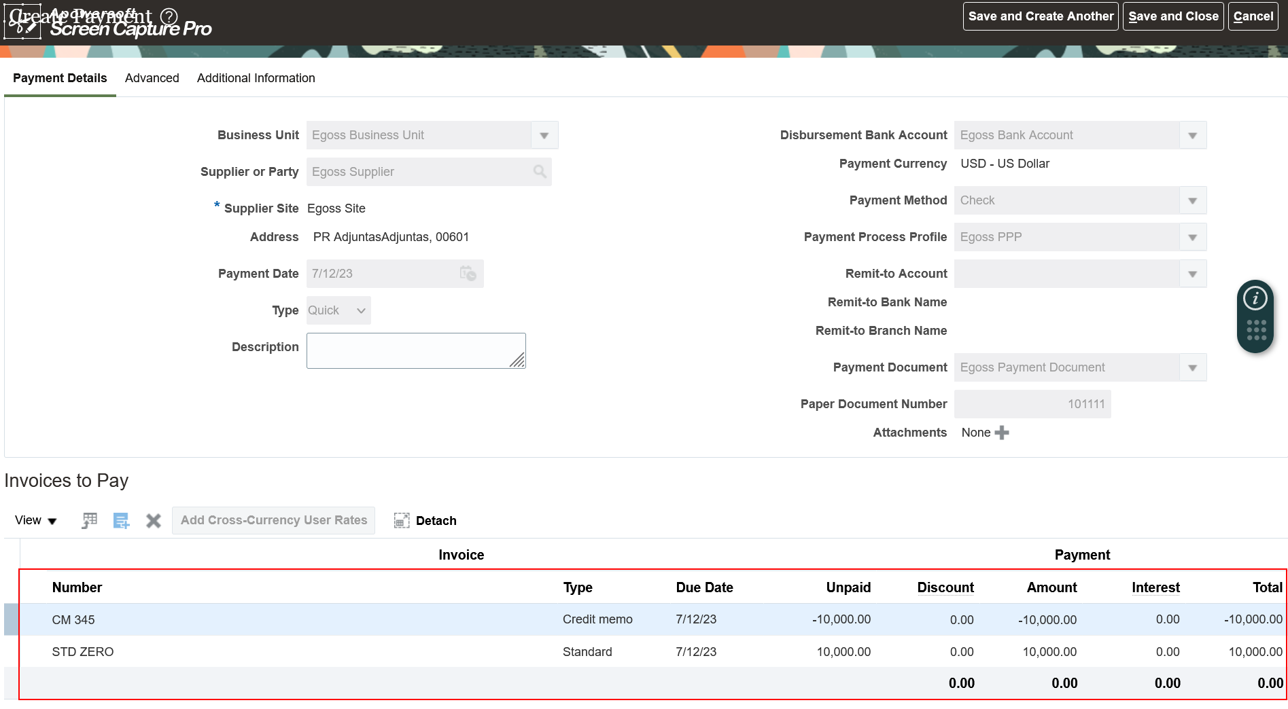
Zero Payments
Meaning
Say for example supplier has sent the invoice for 10,000 and we have returned the goods worth 10,000. Here the net amount we have to pay to supplier is "Zero". But
when we run reports since they are not paid system will show them as open. So, that's the reason why we pay them
Example
STD Invoice | 10,000
Credit Memo (CM) | -10,000
Net Amount | 0

Setups
1. Enable Zero Payment at Bank Account
2. Define a Zero Payment Process Profile (PPP)

Process
1. Create Standard Invoice and Credit Memo
2. Process Payment for Standard Invoice and Credit Memo together

Setups
1. Enable Zero Payment at Bank Account
Task: Manage Bank Accounts
Here in Controls tab we have to check the checkbox called "Zero Payments"
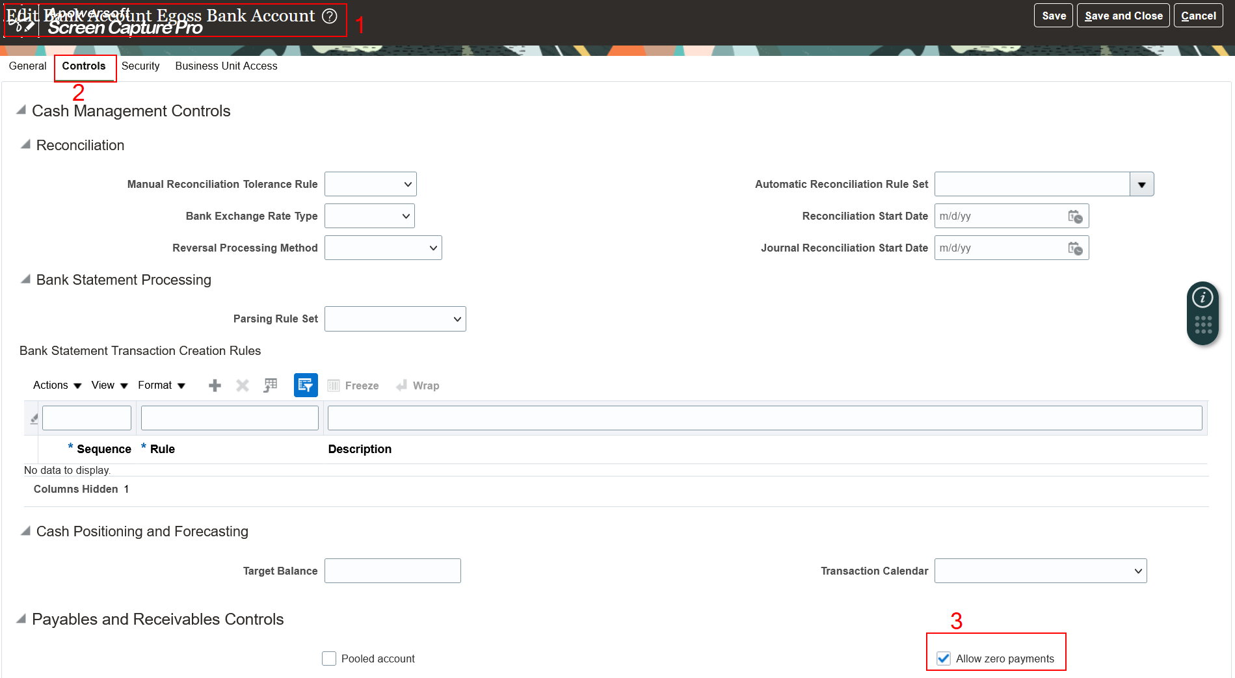

2. Define a Zero Payment Process Profile (PPP)
Task: Manage Payment Process Profile (PPP)
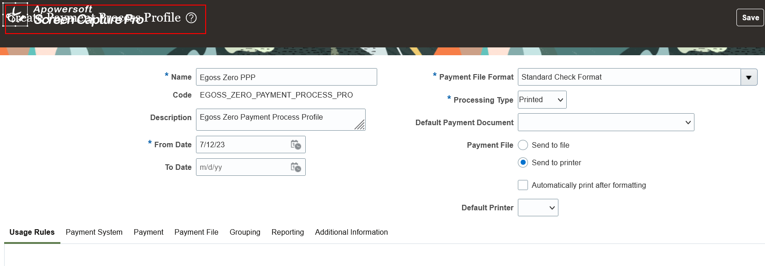

Process
1. Create a Standard Invoice
Path: Payables >> Invoices >> Taskpane >> Create Invoice
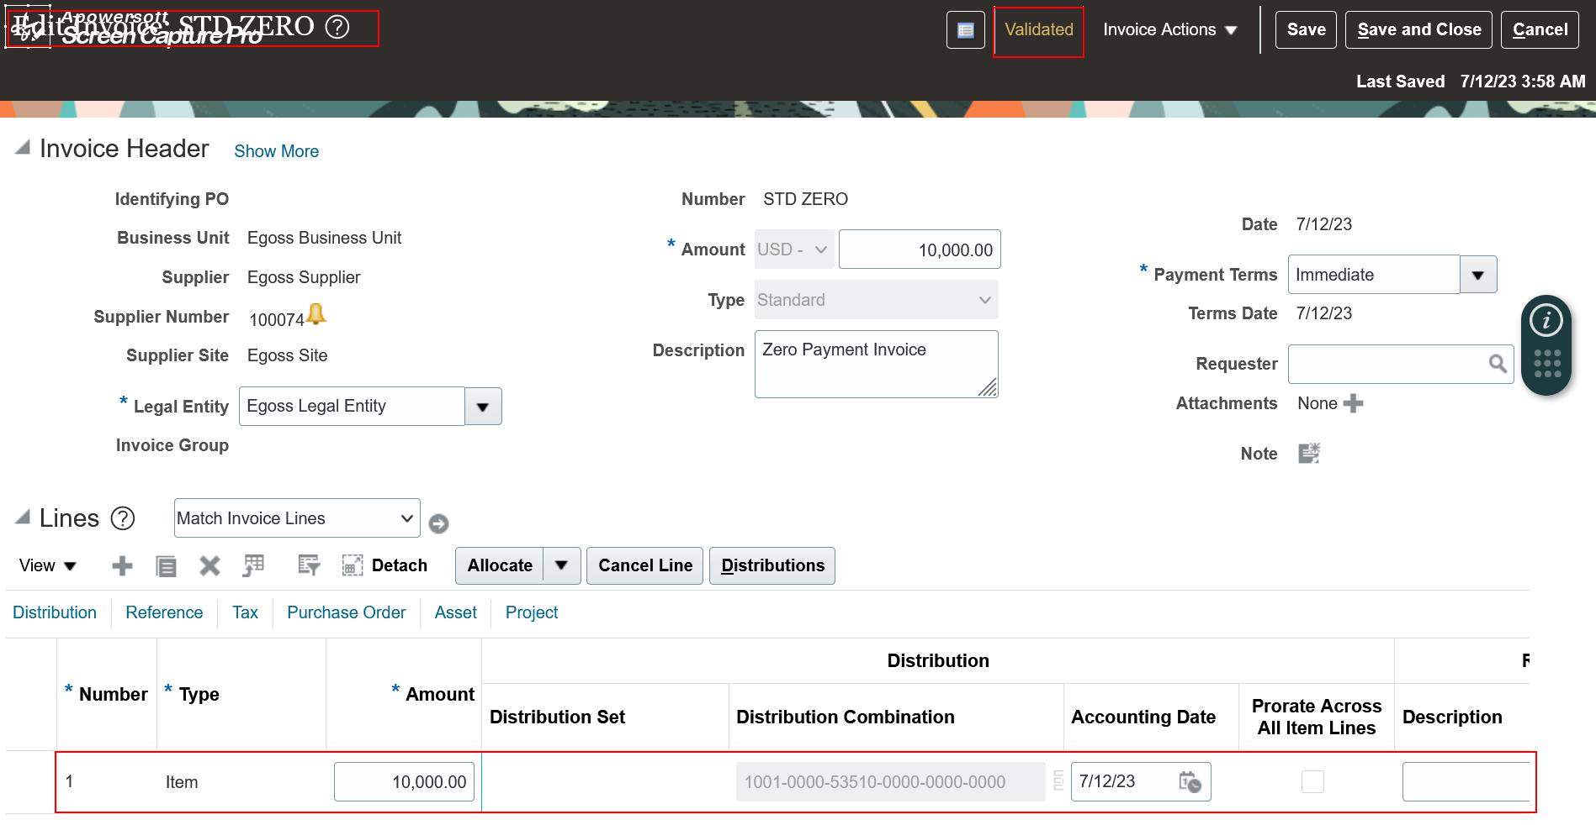

2. Create Credit Memo
Path: Payables >> Invoices >> Taskpane >> Create Invoice
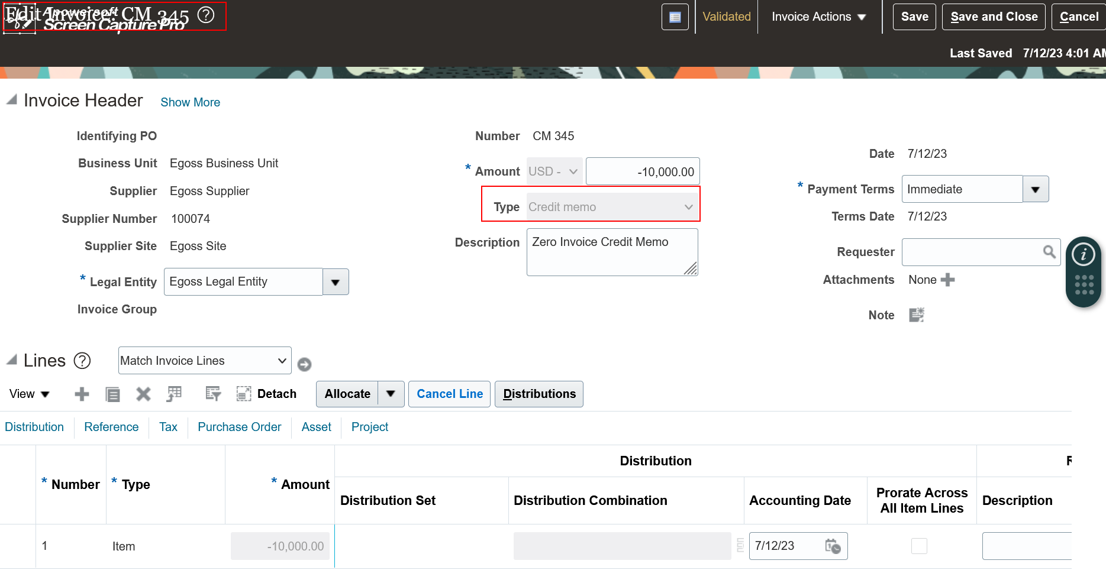

3. Process Payment for Standard Invoice and Credit Memo together
Path: Payables >> Payments >> Taskpane >> Create Payment
Note: Here select both standard invoice and credit memo for Zero payments
The net impact here is "Zero"

